Use cases
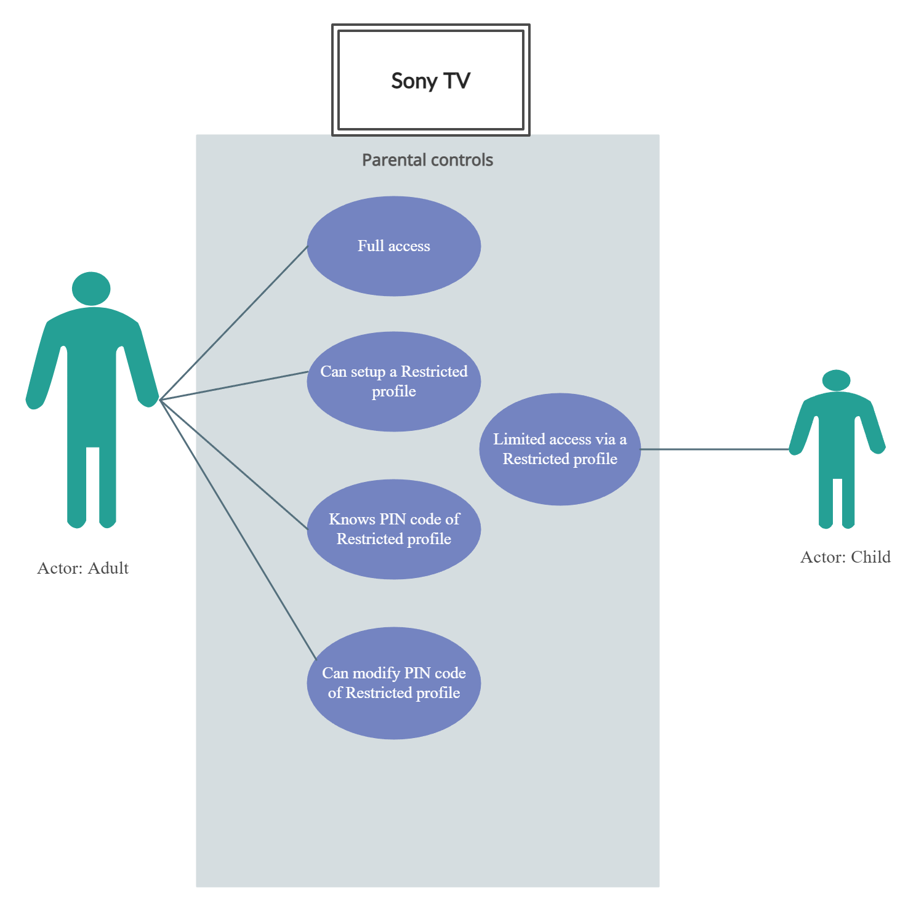
Test condition: Parental controls
Test technique: Use Case

Main path | Step | Description
Description: Update Restricted profile A: Actor (user) S: System (TV) | 1 | A: Turn on TV
 | 2 | A: Setup Restricted profile in Settings
 | 3 | A: Enter PIN code
 | 4 | S: TV validates PIN code
 | 5 | A: Choose Apps to restrict
 | 6 | S: Restricted Apps are installed and displayed
Alternate paths
Description: If PIN code is not installed yet | 2a | A: Install PIN code
 | 2b | S: PIN code is successfully installed
Description: If PIN code does not work | 3a | A: Change PIN code
 | 3b | S: PIN code is successfully modified

